Chopper_Control_Register
Chopper_Control_Register
Axis A | Axis B | Bit | Calculation | Name | Function | Comment |  | Background information
1 | 1 | 19 |  | 1 | Register address bit
0 | 0 | 18 |  | 0 | Register address bit
0 | 0 | 17 |  | 0 | Register address bit
0 | 0 | 16 | 24 | TBL1 | Blanking time | Blanking time interval, in system clock periods: %00: 16 %01: 24 %10: 36 %11: 54 |  | Blanking time. This time needs to cover the switching event and the duration of the ringing on the sense resistor. For most low-current applications, a setting of 16 or 24 is good. For high-current applications, a setting of 36 or 54 may be required.
1 | 1 | 15 | 1 | TBL0 |  |  |  |  | BITUND(13;25)
0 | 0 | 14 |  | CHM | Chopper mode | This mode bit affects the interpretation of the HDEC, HEND, and HSTRT parameters shown below. %0: Standard mode (spreadCycle) %1: Constant t OFF with fast decay time. Fast decay time is also terminated when the negative nominal current is reached. Fast decay is after on time.
0 | 0 | 13 |  | RNDTF | Random TOFF time | Enable randomizing the slow decay phase duration: 0: Chopper off time is fixed as set by bits t OFF 1: Random mode, t OFF is random modulated by dN CLK = -12 … +3 clocks.
0 | 0 | 12 | 16 | HDEC1 | Hysteresis decrement interval or Fast decay mode | CHM=0 | Hysteresis decrement period setting, in system clock periods: %00: 16 %01: 32 %10: 48 %11: 64
0 | 0 | 11 |  | HDEC0 |  | CHM=1 | HDEC1=0: current comparator can terminate the fast decay phase before timer expires. HDEC1=1: only the timer terminates the fast decay phase. HDEC0: MSB of fast decay time setting.
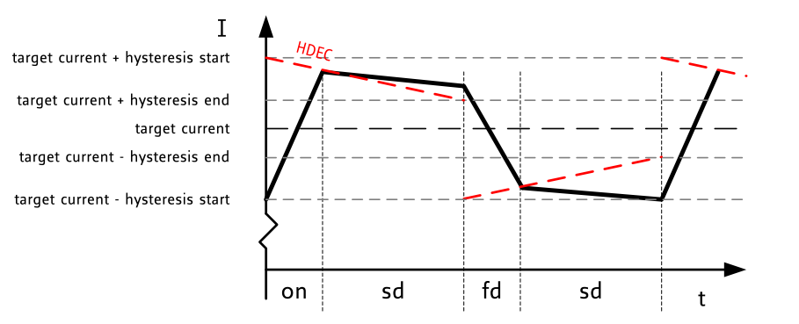
0 | 0 | 10 | 0 | HEND3 | Hysteresis end (low) value or Sine wave offset | CHM=0 | %0000 … %1111: Hysteresis is -3, -2, -1, 0, 1, …, 12 (1/512 of this setting adds to current setting) This is the hysteresis value which becomes used for the hysteresis chopper.
0 | 0 | 9 |  | HEND2
1 | 1 | 8 |  | HEND1 |  | CHM=1 | %0000 … %1111: Offset is -3, -2, -1, 0, 1, …, 12 This is the sine wave offset and 1/512 of the value becomes added to the absolute value of each sine wave entry.
1 | 1 | 7 |  | HEND0
1 | 1 | 6 | 5 | HSTRT2 | Hysteresis start value or Fast decay time setting | CHM=0 | Hysteresis start offset from HEND: %000: 1 %100: 5 %001: 2 %101: 6 %010: 3 %110: 7 %011: 4 %111: 8 Effective: HEND+HSTRT must be ≤ 15
0 | 0 | 5 |  | HSTRT1
0 | 0 | 4 |  | HSTRT0 |  | CHM=1 | Three least-significant bits of the duration of the fast decay phase. The MSB is HDEC0. Fast decay time is a multiple of system clock periods: N CLK = 32 x (HDEC0+HSTRT)
0 | 0 | 3 |  | TOFF3 | Off time/MOSFET disable | Duration of slow decay phase. If TOFF is 0, the MOSFETs are shut off. If TOFF is nonzero, slow decay time is a multiple of system clock periods: N CLK = 12 + (32 x TOFF) (Minimum time is 64clocks.) %0000: Driver disable, all bridges off %0001: 1 (use with TBL of minimum 24 clocks) %0010 … %1111: 2 … 15
0 | 0 | 2 |  | TOFF2
0 | 0 | 1 |  | TOFF1
0 | 0 | 0 |  | TOFF0

coolStep_Control_Register
coolStep_Control_Register
Axis A | Axis B | Bit | Name | Function | Comment
1 | 1 | 19 | 1 | Register address bit
0 | 0 | 18 | 0 | Register address bit
1 | 1 | 17 | 1 | Register address bit |  | 1048576
0 | 0 | 16 | 0 | Reserved
0 | 0 | 15 | SEIMIN | Minimum coolStep current | 0: ½ CS current setting 1: ¼ CS current setting
0 | 0 | 14 | SEDN1 | Current decrement speed | Number of times that the stallGuard2 value must be sampled equal to or above the upper threshold for each decrement of the coil current: %00: 32 %01: 8 %10: 2 %11: 1
0 | 0 | 13 | SEDN0
0 | 0 | 12 | 0 | Reserved
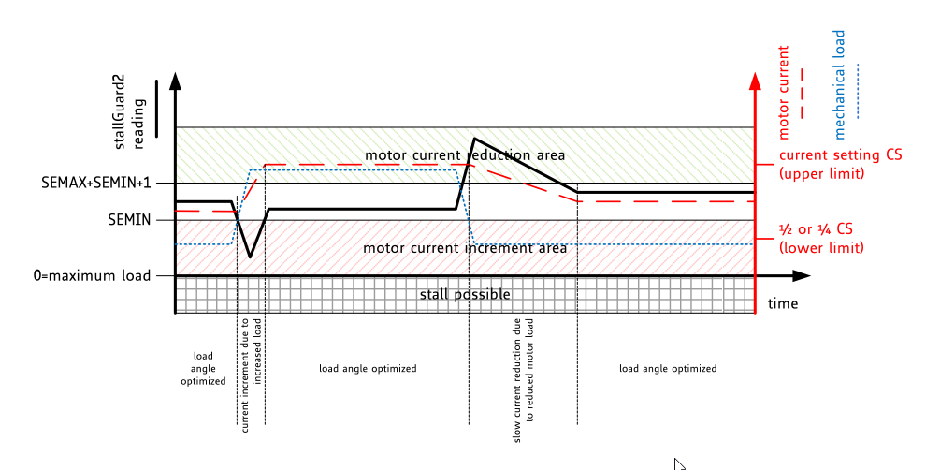
0 | 0 | 11 | SEMAX3 | Upper coolStep threshold as an offset from the lower threshold
0 | 0 | 10 | SEMAX2
0 | 0 | 9 | SEMAX1
0 | 0 | 8 | SEMAX0
0 | 0 | 7 | 0 | Reserved
0 | 0 | 6 | SEUP1 | Current increment size | Number of current increment steps for each time that the stallGuard2 value SG is sampled below the lower threshold: %00: 1 %01: 2 %10: 4 %11: 8
0 | 0 | 5 | SEUP0
0 | 0 | 4 | 0 | Reserved
0 | 0 | 3 | SEMIN3 | Lower coolStep threshold/coolStep disable | If SEMIN is 0, coolStep is disabled. If SEMIN is nonzero and the stallGuard2 value SG falls below SEMIN x 32, the coolStep current scaling factor is increased.
0 | 0 | 2 | SEMIN2
0 | 0 | 1 | SEMIN1
0 | 0 | 0 | SEMIN0

tuning_spreadCycle
tuning spreadCycle

HSTART | 5
HEND | 0
HDEC | 16
CS*8 | 112

x | y
16 | 117
32 | 112
40 | 112
56 | 107
64 | 117
80 | 112
88 | 112
104 | 107

